Data validation - Age
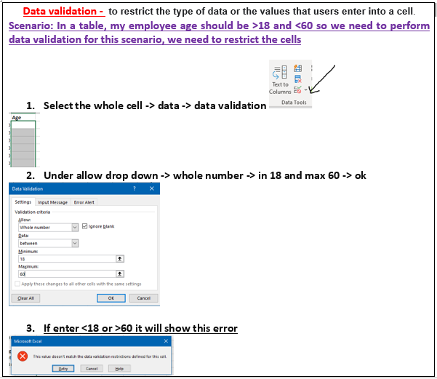
Emp Code | Employee Name | Address | City | Region | Department | Basic | Age
1 | JP Kumar | Andheri (W) | Mumbai | W | Training | 6250 | 24
2 | Anjali Thakur | Govindpuri | Delhi | N | Accounts | 8750 | 37
3 | Priya Agarwal | Sector 9 | Noida | N | Marketing | 11250 | 60
4 | R Vasu | Egmore | Chennai | S | R&D | 10000 | 38
5 | Sanjay Gupta | G K - II | Delhi | N | Training | 16250 | 20
6 | Jharna Biswal | Link Road | Cuttack | E | Accounts | 6400 | 21
7 | Prakash Dutta | Elgin Road | Kolkata | E | Marketing | 4500 | 60
8 | Manisha Guha | Alipore | Kolkata | E | R&D | 6275 | 24
9 | Arjun Jain | MG Road | Mumbai | W | Training | 6250 | 58
10 | Arjun Kapoor | Kormangala | Bangalore | S | Accounts | 8750 | 41
11 | Abrar | Jayanagar | Bangalore | S | Marketing | 11250 | 58
12 | Shahid Khan | M.G Road | Mangalore | S | R&D | 10000 | 56
13 | Anupam Mishra | Govindpuri | Mysore | S | Training | 16250 | 39
14 | Ashwini | Sector 9 | Mangalore | S | Accounts | 6400 | 53
15 | Prateek Babbar | North Road | Delhi | N | Marketing | 4500 | 31
16 | Sukanya Reddy | Alipore | Mangalore | S | R&D | 6275 | 55
17 | Satish Puri | Bandra | Mumbai | W | Operation | 6250 | 25
18 | Anjum Chopra | Worli | Mumbai | W | R&D | 8750 | 19
19 | Akram Khan | S P B Road | Pune | W | Operation | 11250 | 43
20 | Manish Grover | L L R Road | Noida | N | Training | 10000 | 36

DV-Circle invalid data
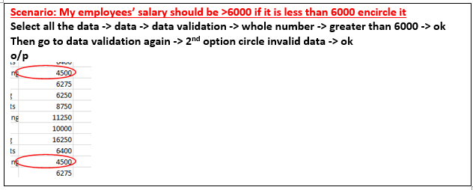
Emp Code | Employee Name | Address | City | Region | Department | Basic | Age
1 | JP Kumar | Andheri (W) | Mumbai | W | Training | 6250 | 28
2 | Anjali Thakur | Govindpuri | Delhi | N | Accounts | 8750 | 21
3 | Priya Agarwal | Sector 9 | Noida | N | Marketing | 11250 | 37
4 | R Vasu | Egmore | Chennai | S | R&D | 10000 | 37
5 | Sanjay Gupta | G K - II | Delhi | N | Training | 16250 | 27
6 | Jharna Biswal | Link Road | Cuttack | E | Accounts | 6400 | 47
7 | Prakash Dutta | Elgin Road | Kolkata | E | Marketing | 4500 | 21
8 | Manisha Guha | Alipore | Kolkata | E | R&D | 6275 | 34
9 | Arjun Jain | MG Road | Mumbai | W | Training | 6250 | 27
10 | Arjun Kapoor | Kormangala | Bangalore | S | Accounts | 8750 | 60
11 | Abrar | Jayanagar | Bangalore | S | Marketing | 11250 | 34
12 | Shahid Khan | M.G Road | Mangalore | S | R&D | 10000 | 56
13 | Anupam Mishra | Govindpuri | Mysore | S | Training | 16250 | 25
14 | Ashwini | Sector 9 | Mangalore | S | Accounts | 6400 | 24
15 | Prateek Babbar | North Road | Delhi | N | Marketing | 4500 | 58
16 | Sukanya Reddy | Alipore | Mangalore | S | R&D | 6275 | 25
17 | Satish Puri | Bandra | Mumbai | W | Operation | 6250 | 45
18 | Anjum Chopra | Worli | Mumbai | W | R&D | 8750 | 46
19 | Akram Khan | S P B Road | Pune | W | Operation | 11250 | 31
20 | Manish Grover | L L R Road | Noida | N | Training | 10000 | 23

DV-list
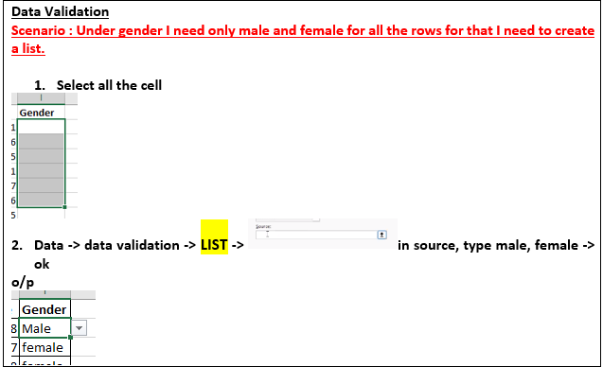
Emp Code | Employee Name | Address | City | Region | Department | Basic | Age | Gender
1 | JP Kumar | Andheri (W) | Mumbai | W | Training | 6250 | 54 | Male
2 | Anjali Thakur | Govindpuri | Delhi | N | Accounts | 8750 | 51 | female
3 | Priya Agarwal | Sector 9 | Noida | N | Marketing | 11250 | 57 | female
4 | R Vasu | Egmore | Chennai | S | R&D | 10000 | 51 | Male
5 | Sanjay Gupta | G K - II | Delhi | N | Training | 16250 | 50 | Male
6 | Jharna Biswal | Link Road | Cuttack | E | Accounts | 6400 | 31 | Male
7 | Prakash Dutta | Elgin Road | Kolkata | E | Marketing | 4500 | 54 | Male
8 | Manisha Guha | Alipore | Kolkata | E | R&D | 6275 | 22 | female
9 | Arjun Jain | MG Road | Mumbai | W | Training | 6250 | 30 | Male
10 | Arjun Kapoor | Kormangala | Bangalore | S | Accounts | 8750 | 52 | Male
11 | Abrar | Jayanagar | Bangalore | S | Marketing | 11250 | 32 | Male
12 | Shahid Khan | M.G Road | Mangalore | S | R&D | 10000 | 56 | Male
13 | Anupam Mishra | Govindpuri | Mysore | S | Training | 16250 | 28 | Male
14 | Ashwini | Sector 9 | Mangalore | S | Accounts | 6400 | 32 | female
15 | Prateek Babbar | North Road | Delhi | N | Marketing | 4500 | 51 | Male
16 | Sukanya Reddy | Alipore | Mangalore | S | R&D | 6275 | 55 | female
17 | Satish Puri | Bandra | Mumbai | W | Operation | 6250 | 58 | Male
18 | Anjum Chopra | Worli | Mumbai | W | R&D | 8750 | 53 | female
19 | Akram Khan | S P B Road | Pune | W | Operation | 11250 | 60 | Male
20 | Manish Grover | L L R Road | Noida | N | Training | 10000 | 23 | Male

DV-adding more dept.
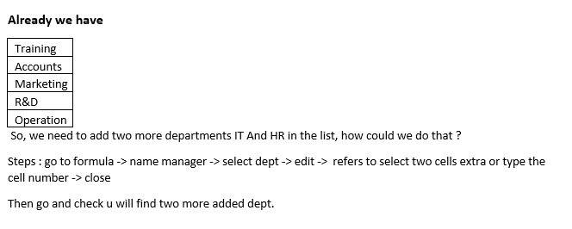
Emp Code | Employee Name | Address | City | Region | Department | Age | Gender
1 | JP Kumar | Andheri (W) | Mumbai | W | HR | 29 | Male
2 | Anjali Thakur | Govindpuri | Delhi | N | IT | 29 | female | Training
3 | Priya Agarwal | Sector 9 | Noida | N | HR | 59 | female | Accounts
4 | R Vasu | Egmore | Chennai | S |  | 44 | Male | Marketing
5 | Sanjay Gupta | G K - II | Delhi | N |  | 57 | Male | R&D
6 | Jharna Biswal | Link Road | Cuttack | E |  | 60 | Male | Operation
7 | Prakash Dutta | Elgin Road | Kolkata | E |  | 32 | Male | IT
8 | Manisha Guha | Alipore | Kolkata | E |  | 51 | female | HR
9 | Arjun Jain | MG Road | Mumbai | W |  | 49 | Male
10 | Arjun Kapoor | Kormangala | Bangalore | S |  | 45 | Male
11 | Abrar | Jayanagar | Bangalore | S |  | 41 | Male
12 | Shahid Khan | M.G Road | Mangalore | S |  | 56 | Male
13 | Anupam Mishra | Govindpuri | Mysore | S |  | 48 | Male
14 | Ashwini | Sector 9 | Mangalore | S |  | 22 | female
15 | Prateek Babbar | North Road | Delhi | N |  | 45 | Male
16 | Sukanya Reddy | Alipore | Mangalore | S |  | 40 | female
17 | Satish Puri | Bandra | Mumbai | W |  | 27 | Male
18 | Anjum Chopra | Worli | Mumbai | W |  | 29 | female
19 | Akram Khan | S P B Road | Pune | W |  | 30 | Male
20 | Manish Grover | L L R Road | Noida | N |  | 31 | Male

DV-LargerThanPrevious
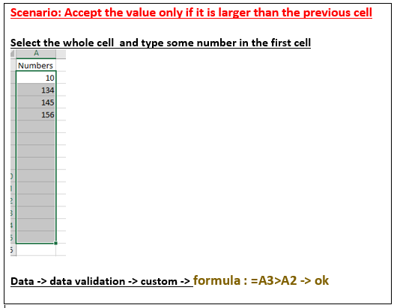
Numbers
101
123

DV-List2
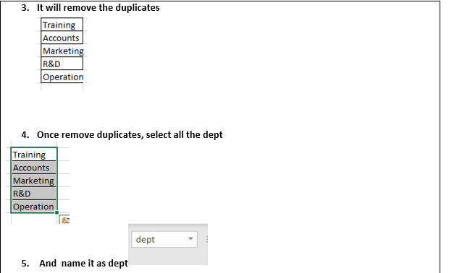
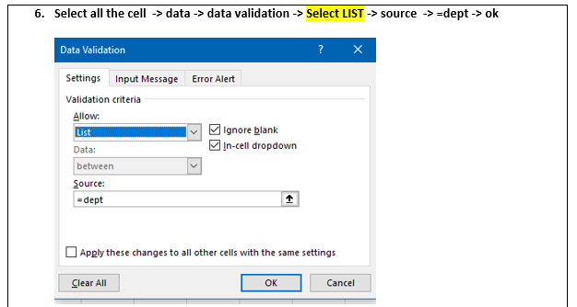
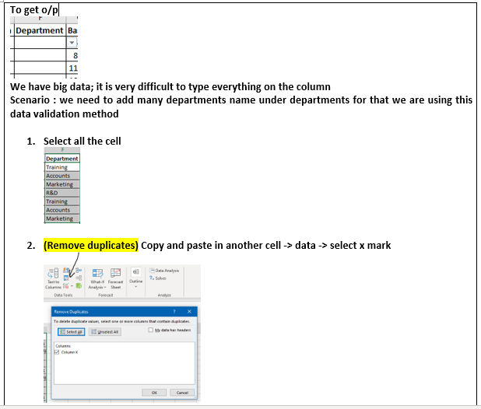
Emp Code | Employee Name | Address | City | Region | Department | Basic | Age | Gender
1 | JP Kumar | Andheri (W) | Mumbai | W | Training | 6250 | 29 | Male | Training
2 | Anjali Thakur | Govindpuri | Delhi | N | Accounts | 8750 | 45 | female | Accounts
3 | Priya Agarwal | Sector 9 | Noida | N | Training | 11250 | 50 | female | Marketing
4 | R Vasu | Egmore | Chennai | S |  | 10000 | 60 | Male | R&D
5 | Sanjay Gupta | G K - II | Delhi | N |  | 16250 | 20 | Male | Operation
6 | Jharna Biswal | Link Road | Cuttack | E |  | 6400 | 21 | Male
7 | Prakash Dutta | Elgin Road | Kolkata | E |  | 4500 | 42 | Male
8 | Manisha Guha | Alipore | Kolkata | E |  | 6275 | 56 | female
9 | Arjun Jain | MG Road | Mumbai | W |  | 6250 | 32 | Male
10 | Arjun Kapoor | Kormangala | Bangalore | S |  | 8750 | 28 | Male
11 | Abrar | Jayanagar | Bangalore | S |  | 11250 | 48 | Male
12 | Shahid Khan | M.G Road | Mangalore | S |  | 10000 | 56 | Male
13 | Anupam Mishra | Govindpuri | Mysore | S |  | 16250 | 35 | Male
14 | Ashwini | Sector 9 | Mangalore | S |  | 6400 | 59 | female
15 | Prateek Babbar | North Road | Delhi | N |  | 4500 | 59 | Male
16 | Sukanya Reddy | Alipore | Mangalore | S |  | 6275 | 20 | female
17 | Satish Puri | Bandra | Mumbai | W |  | 6250 | 56 | Male
18 | Anjum Chopra | Worli | Mumbai | W |  | 8750 | 30 | female
19 | Akram Khan | S P B Road | Pune | W | Accounts | 11250 | 49 | Male
20 | Manish Grover | L L R Road | Noida | N | Operation | 10000 | 42 | Male

DV-Length
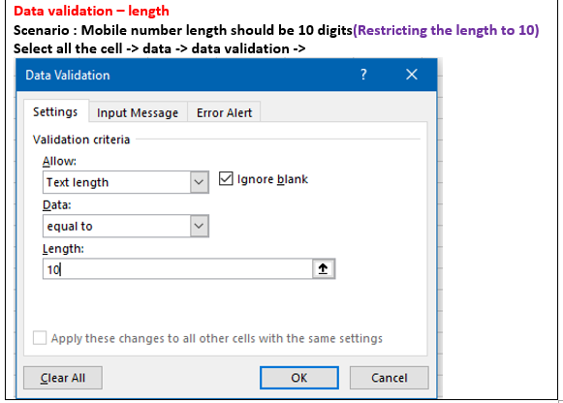
Emp Code | Employee Name | Address | City | Region | Department | Basic | Age | Gender | Mobile
1 | JP Kumar | Andheri (W) | Mumbai | W | Training | 6250 | 57 | Male | 9788978944
2 | Anjali Thakur | Govindpuri | Delhi | N | Accounts | 8750 | 46 | female | 8760734379
3 | Priya Agarwal | Sector 9 | Noida | N | Marketing | 11250 | 33 | female | 9442194814
4 | R Vasu | Egmore | Chennai | S | R&D | 10000 | 21 | Male | 9445634379
5 | Sanjay Gupta | G K - II | Delhi | N | Training | 16250 | 34 | Male | 9788979445
6 | Jharna Biswal | Link Road | Cuttack | E | Accounts | 6400 | 26 | Male | 8760734379
7 | Prakash Dutta | Elgin Road | Kolkata | E | Marketing | 4500 | 45 | Male | 9442194814
8 | Manisha Guha | Alipore | Kolkata | E | R&D | 6275 | 44 | female | 9445634379
9 | Arjun Jain | MG Road | Mumbai | W | Training | 6250 | 21 | Male | 9445634379
10 | Arjun Kapoor | Kormangala | Bangalore | S | Accounts | 8750 | 41 | Male | 97889789445
11 | Abrar | Jayanagar | Bangalore | S | Marketing | 11250 | 29 | Male | 8760734379
12 | Shahid Khan | M.G Road | Mangalore | S | R&D | 10000 | 56 | Male | 9442194814
13 | Anupam Mishra | Govindpuri | Mysore | S | Training | 16250 | 53 | Male | 9445634379
14 | Ashwini | Sector 9 | Mangalore | S | Accounts | 6400 | 48 | female | 9445634379
15 | Prateek Babbar | North Road | Delhi | N | Marketing | 4500 | 36 | Male | 9445634379
16 | Sukanya Reddy | Alipore | Mangalore | S | R&D | 6275 | 40 | female | 97889789445
17 | Satish Puri | Bandra | Mumbai | W | Operation | 6250 | 38 | Male | 8760734379
18 | Anjum Chopra | Worli | Mumbai | W | R&D | 8750 | 40 | female | 9442194814
19 | Akram Khan | S P B Road | Pune | W | Operation | 11250 | 58 | Male | 9445634379
20 | Manish Grover | L L R Road | Noida | N | Training | 10000 | 30 | Male | 97889789445

DV-BeginsWithA
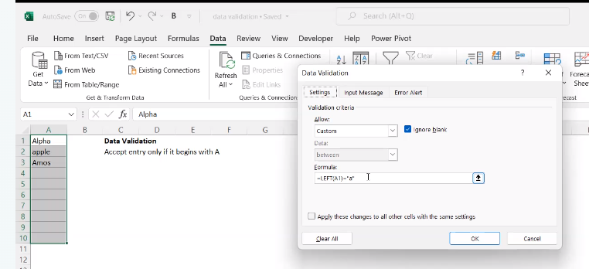
Address
Andheri (W)
aovindpuri
Sector 9
Egmore
G K - II
Link Road
Elgin Road
Alipore
MG Road
Kormangala
Jayanagar
M.G Road
Govindpuri
Sector 9
North Road
Alipore
Bandra
Worli
S P B Road
L L R Road

DV-PATTERN
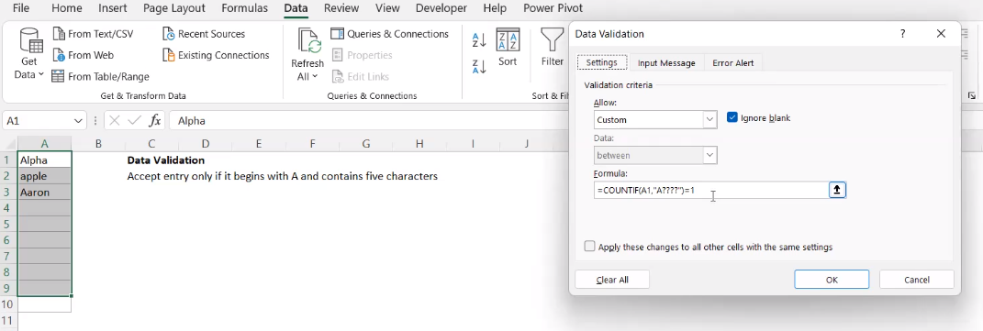
Address
alpha

DV-ISTEXT
Emp Code | Employee Name | Address | City | Region | Department | Basic | Age
1 | JP Kumar | Andheri (W) | Mumbai | W | Training | 6250 | 56
2 | Anjali Thakur | Govindpuri | Delhi | N | Accounts | 8750 | 59
3 | Priya Agarwal | Sector 9 | Noida | N | Marketing | 11250 | 39
4 | R Vasu | Egmore | Chennai | S | R&D | 10000 | 58
5 | Sanjay Gupta | G K - II | Delhi | N | Training | 16250 | 30
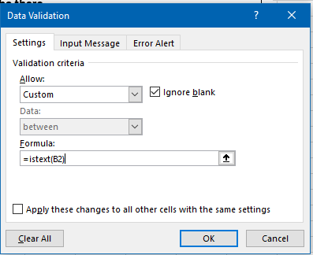
6 | Jharna Biswal | Link Road | Cuttack | E | Accounts | 6400 | 60
7 | Prakash Dutta | Elgin Road | Kolkata | E | Marketing | 4500 | 51
8 | Manisha Guha | Alipore | Kolkata | E | R&D | 6275 | 43
9 | Arjun Jain | MG Road | Mumbai | W | Training | 6250 | 33
10 | Arjun Kapoor | Kormangala | Bangalore | S | Accounts | 8750 | 30
11 | Abrar | Jayanagar | Bangalore | S | Marketing | 11250 | 18
12 | Shahid Khan | M.G Road | Mangalore | S | R&D | 10000 | 56
13 | Anupam Mishra | Govindpuri | Mysore | S | Training | 16250 | 60
14 | Ashwini | Sector 9 | Mangalore | S | Accounts | 6400 | 25
15 | Prateek Babbar | North Road | Delhi | N | Marketing | 4500 | 52
16 | Sukanya Reddy | Alipore | Mangalore | S | R&D | 6275 | 54
17 | Satish Puri | Bandra | Mumbai | W | Operation | 6250 | 54
18 | Anjum Chopra | Worli | Mumbai | W | R&D | 8750 | 56
19 | Akram Khan | S P B Road | Pune | W | Operation | 11250 | 51
20 | Manish Grover | L L R Road | Noida | N | Training | 10000 | 60

DV-Uppercase allow, no NUMBERS
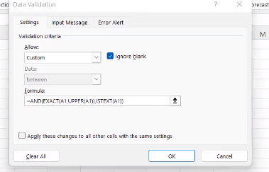
DATA
HELLO
BYE
GOODMORNING
GOODMORNING
GOODEVENING
DATA

DV-LowerCase
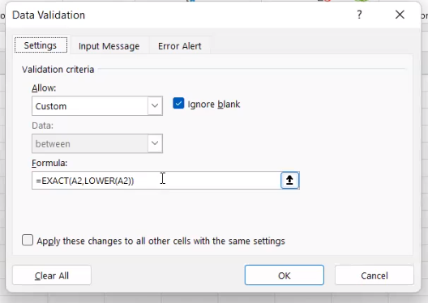
HELLO | hello
BYE | bye
GOODMORNING | goodmorning
GOODMORNING | goodmorning
GOODEVENING | goodevening
DATA | data

DV-PROPER ONLY
Names
JP Kumar
Anjali Thakur
Priya Agarwal
R Vasu
Sanjay Gupta
Jharna Biswal
Prakash Dutta
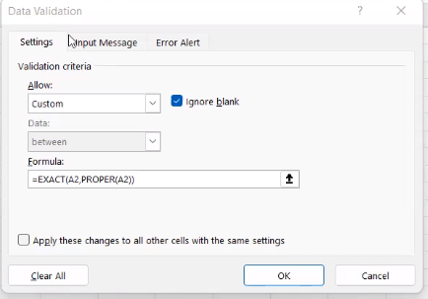
Manisha Guha
Arjun Jain

DV-NUMBEROnlyLength 5
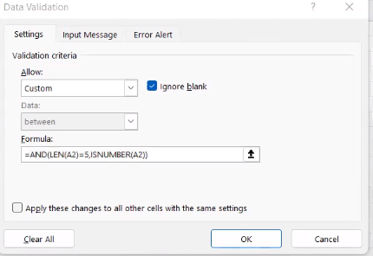
Numbers
12345
456789
34567

DV-Does not exceed value
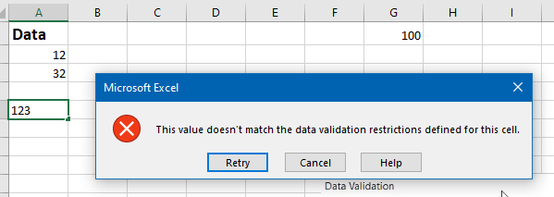
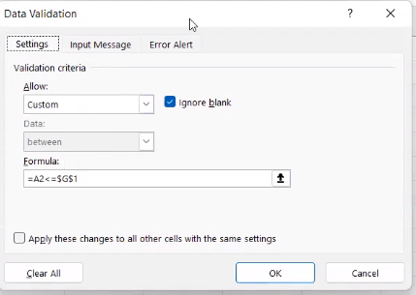
Data | 100
12
32

DV-Weekend
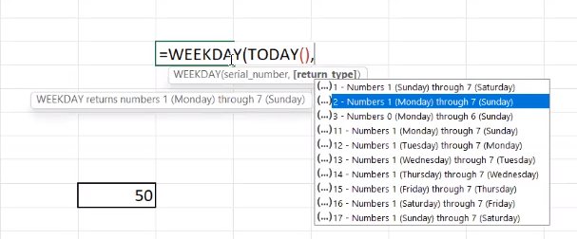
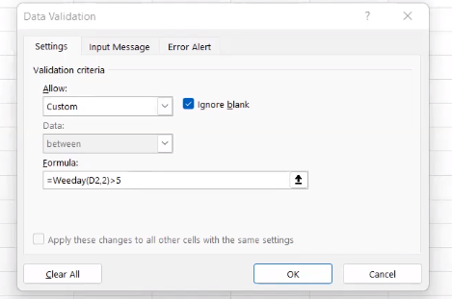
 | week end

doubt
conditional formatting class
time : 40 : 46

